Inventory
SKU | Product Name | Quantity | Length | wideth | height | Picture
FZM01-BAI-1500 | FZM-01 Clip Fan - White-1500 | 178 | 20 | 18 | 12 | 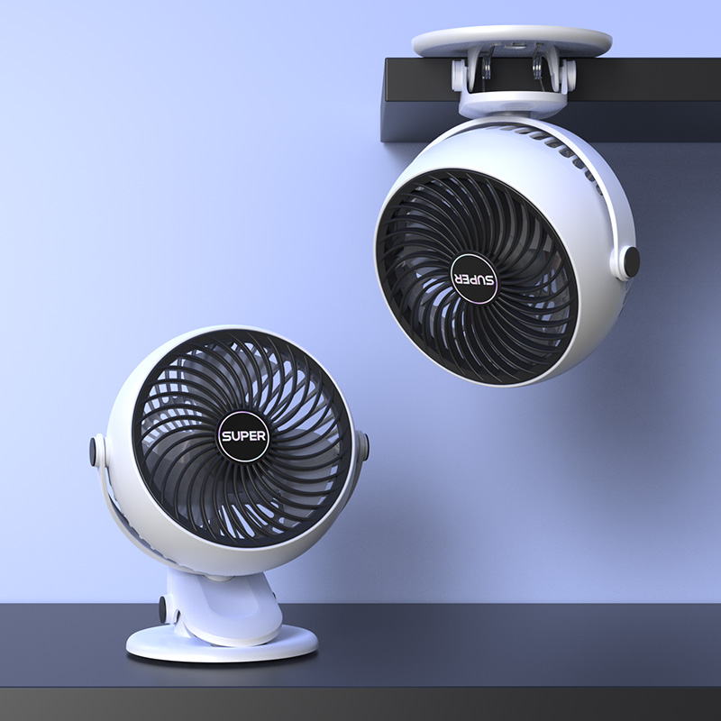
FZM01-BAI-3000 | FZM-01 Clip Fan - White-3000 | 105 | 20 | 18 | 12
FZM01-HEI-1500 | FZM-01 Clip Fan - Black-1500 | 97 | 20 | 18 | 12
FZM01-HEI-3000 | FZM-01 Clip Fan - Black-3000 | 3 | 20 | 18 | 12
FZM01-LAN-1500 | FZM-01 Clip Fan - Blue-1500 | 377 | 20 | 18 | 12
FZM01-LAN-3000 | FZM-01 Clip Fan - Blue-3000 | 195 | 20 | 18 | 12
FZM01-ZI-1500 | FZM-01 Clip Fan - Purple-1500 | 115 | 20 | 18 | 12
FZM01-ZI-3000 | FZM-01 Clip Fan - Purple-3000 | 3 | 20 | 18 | 12
FZM03-BAI-1500 | FZM-03 Clip Fan - White-1500 | 169 | 20 | 18 | 12
FZM03-BAI-3000 | FZM-03 Clip Fan - White-3000 | 152 | 20 | 18 | 12
FZM03-HEI-1500 | FZM-03 Clip Fan - Black-1500 | 40 | 20 | 18 | 12 | 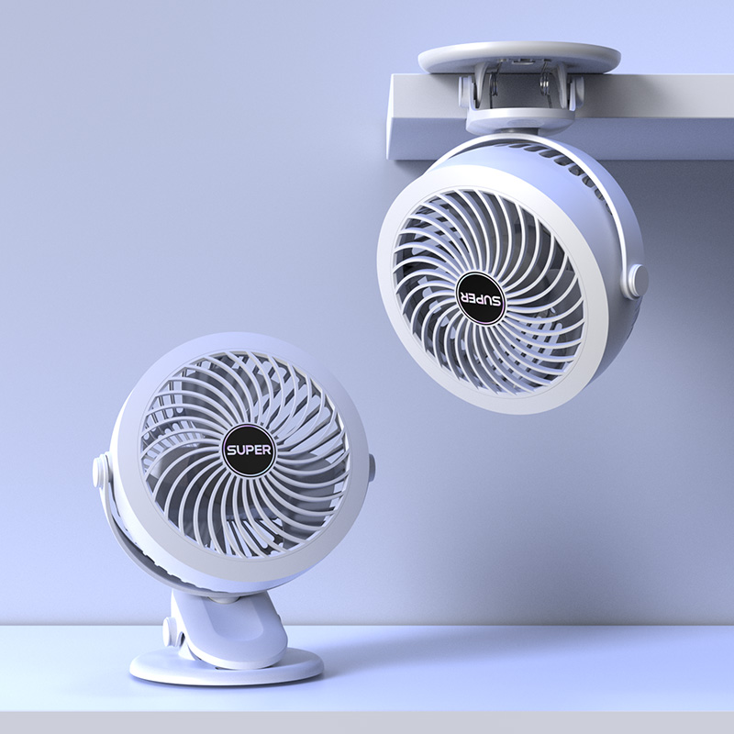
FZM03-HEI-3000 | FZM-03 Clip Fan - Black-3000 | 0 | 20 | 18 | 12
FZM03-LAN-1500 | FZM-03 Clip Fan - Blue-1500 | 217 | 20 | 18 | 12
FZM03-LAN-3000 | FZM-03 Clip Fan - Blue-3000 | 181 | 20 | 18 | 12
FZM03-ZI-1500 | FZM-03 Clip Fan - Purple-1500 | 324 | 20 | 18 | 12
FZM03-ZI-3000 | FZM-03 Clip Fan - Purple-3000 | 139 | 20 | 18 | 12
FZN01-FEN-1500 | FZM-01 Clip Fan - Pink-1500 | 282 | 20 | 18 | 12
FZN01-FEN-3000 | FZM-01 Clip Fan - Pink-3000 | 219 | 20 | 18 | 12
FZN03-FEN-1500 | FZM-03 Clip Fan - Pink-1500 | 120 | 20 | 18 | 12
FZN03-FEN-3000 | FZM-03 Clip Fan - Pink-3000 | 138 | 20 | 18 | 12
Total |  | 3054

